Location Plan & Summary
Intelligent Data Collection Limited

Client: | Bristol City Council |  |  | Date of Survey: |  | 09.07.2015
Project Number: | ID02343 |  |  | Site Name: |  | B4465 Easton Road
Site Number: | ATC Site 14 |  |  | Survey Type: |  | Two-way Link Count

X Coordinate |  | Y Coordinate |  |  | Google Maps Link
51.461253 |  | -2.567219 |  |  | Click Here
AM Peak Conditions |  | Inter-Peak Conditions |  |  | PM Peak Conditions
Clear and Sunny |  | Clear and Sunny |  |  | Clear and Sunny
Junction Layout

N

 |  |  |  |  |  | Arm B - Bouverie Street (N)

 |  |  | Arm A - Croydon Street (S)

Aerial Mapping and On-site Camera View
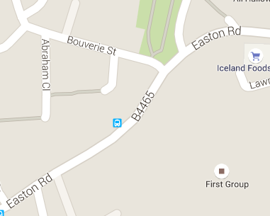
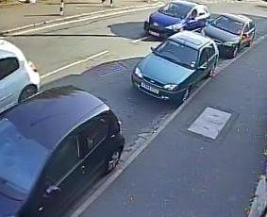
Arm B - Bouverie Street (N)

Arm A - Croydon Street (S)

Junction Flow Profile
Arm Approach Flows (All Vehicles)
 | A to B (Northbound) | B to A (Southbound) | Two-way Total
7:00:00 | 148 | 18 | 166
7:15:00 | 167 | 30 | 197
7:30:00 | 134 | 34 | 168
7:45:00 | 166 | 48 | 214
8:00:00 | 195 | 35 | 230
8:15:00 | 144 | 64 | 208
8:30:00 | 171 | 54 | 225
8:45:00 | 163 | 60 | 223
9:00:00 | 164 | 53 | 217
9:15:00 | 192 | 52 | 244
9:30:00 | 150 | 49 | 199
9:45:00 | 124 | 54 | 178
10:00:00 | 126 | 49 | 175
10:15:00 | 114 | 49 | 163
10:30:00 | 123 | 51 | 174
10:45:00 | 107 | 49 | 156
11:00:00 | 104 | 53 | 157
11:15:00 | 103 | 50 | 153
11:30:00 | 118 | 55 | 173
11:45:00 | 118 | 67 | 185
12:00:00 | 117 | 73 | 190
12:15:00 | 135 | 72 | 207
12:30:00 | 109 | 54 | 163
12:45:00 | 126 | 76 | 202
13:00:00 | 129 | 70 | 199
13:15:00 | 133 | 70 | 203
13:30:00 | 126 | 60 | 186
13:45:00 | 119 | 77 | 196
14:00:00 | 94 | 79 | 173
14:15:00 | 134 | 70 | 204
14:30:00 | 132 | 71 | 203
14:45:00 | 136 | 87 | 223
15:00:00 | 124 | 97 | 221
15:15:00 | 112 | 115 | 227
15:30:00 | 131 | 116 | 247
15:45:00 | 163 | 110 | 273
16:00:00 | 109 | 106 | 215
16:15:00 | 115 | 111 | 226
16:30:00 | 124 | 131 | 255
16:45:00 | 127 | 151 | 278
17:00:00 | 129 | 149 | 278
17:15:00 | 112 | 151 | 263
17:30:00 | 120 | 133 | 253
17:45:00 | 115 | 122 | 237
18:00:00 | 115 | 117 | 232
18:15:00 | 116 | 114 | 230
18:30:00 | 129 | 101 | 230
18:45:00 | 142 | 82 | 224

Additional Notes (Factors which may impact on survey results such as accidents, roadworks, special events):

